Pivot Table 1
OrderDate - Year-Month | SUM of TotalSales | COUNTUNIQUE of CustomerEmail | average sales per customer per day | average sales per customer
2020-Jan | 87478.32 | 149 | 587.10281879 | 1050.1200299
2020-Feb | 74764.52 | 137 | 545.72642336 | 1050.1200299
2020-Mar | 74807.77 | 127 | 589.03755906 | 1050.1200299
average sales per customer per day and average sales per customer
2020-Apr | 66986.64 | 128 | 523.333125 | 1050.1200299
2020-May | 79071.5 | 158 | 500.45253165 | 1050.1200299
2020-Jun | 64301.64 | 120 | 535.847 | 1050.1200299
2020-Jul | 76299.55 | 146 | 522.59965753 | 1050.1200299
2020-Aug | 85316.33 | 124 | 688.03491935 | 1050.1200299
2020-Sep | 85870.99 | 151 | 568.68205298 | 1050.1200299
2020-Oct | 74144.48 | 146 | 507.83890411 | 1050.1200299
2020-Nov | 71137.25 | 116 | 613.25215517 | 1050.1200299
2020-Dec | 73031.1 | 137 | 533.07372263 | 1050.1200299
2021-Jan | 78479.05 | 151 | 519.72880795 | 1050.1200299
2021-Feb | 72040.18 | 128 | 562.81390625 | 1050.1200299
2021-Mar | 57080.91 | 133 | 429.17977444 | 1050.1200299
2021-Apr | 71467.02 | 130 | 549.74630769 | 1050.1200299
2021-May | 68308.81 | 136 | 502.27066176 | 1050.1200299
2021-Jun | 95401.53 | 158 | 603.8071519 | 1050.1200299
2021-Jul | 56720.86 | 136 | 417.06514706 | 1050.1200299
2021-Aug | 76127.18 | 136 | 559.75867647 | 1050.1200299
2021-Sep | 78851.44 | 108 | 730.10592593 | 1050.1200299
2021-Oct | 52348.49 | 115 | 455.20426087 | 1050.1200299
2021-Nov | 62073.12 | 135 | 459.80088889 | 1050.1200299
2021-Dec | 72641.89 | 125 | 581.13512 | 1050.1200299
Grand Total | 1754750.57 | 1671 | 1050.1200299
 |  |  | 545.23322912

 | 140380.0456
 | 728
 | 0

Sheet2
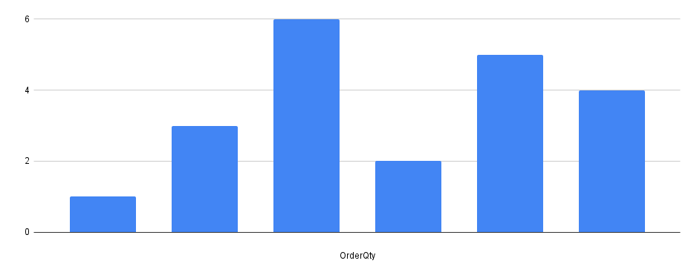
count city | 361
count row | 0
 | 1671

